Bug report #1
Bug report #1
Bug summary | User cannot continue with signing up after leaving the sign up page
Description | When user leaves sign up page they cannot continue signing up with same email because page shows that the user already have an account
Steps | Open Google Chrome browser
 | Go to the following URL: https://www.humanity.com/
 | Enter full name (example: Marija Stanisic) in field "Full Name" at the left side of a page
 | Enter email (example: marijast95@hotmail.com) in field "Work Email" at the left side of a page
 | Click on "Нисам робот" checkbox
 | Click on "START MY FREE TRIAL" button
 | Exit browser
 | Open browser and go to the following URL: https://www.humanity.com/
 | Enter same full name (example: Marija Stanisic) in field "Full Name"
 | Enter same email (example: marijast95@hotmail.com) in field "Work Email"
 | Click on "Нисам робот" checkbox
 | Click on "START MY FREE TRIAL" button
Expected result | User is redirected to "Start scheduling today" pop up window
Actual result | Page shows "You already have an account! Log in here" message and user cannot continue with signing in
Priority | Medium
Severity | Medium
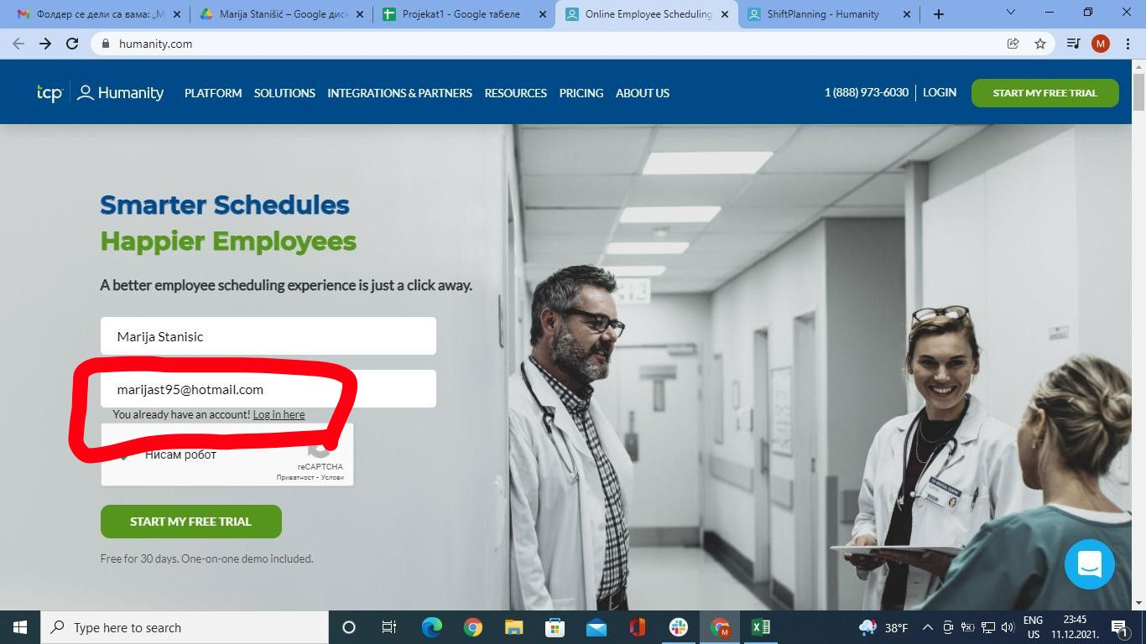
Repro rate | 2021-10-10
Screenshot

